Revenues data
PPP Conversion factor, GDP (LCU per international dollars $) | https://data.worldbank.org/indicator/PA.NUS.PPP
PPP conversion factor for Ethiopia (2005): | 2.194

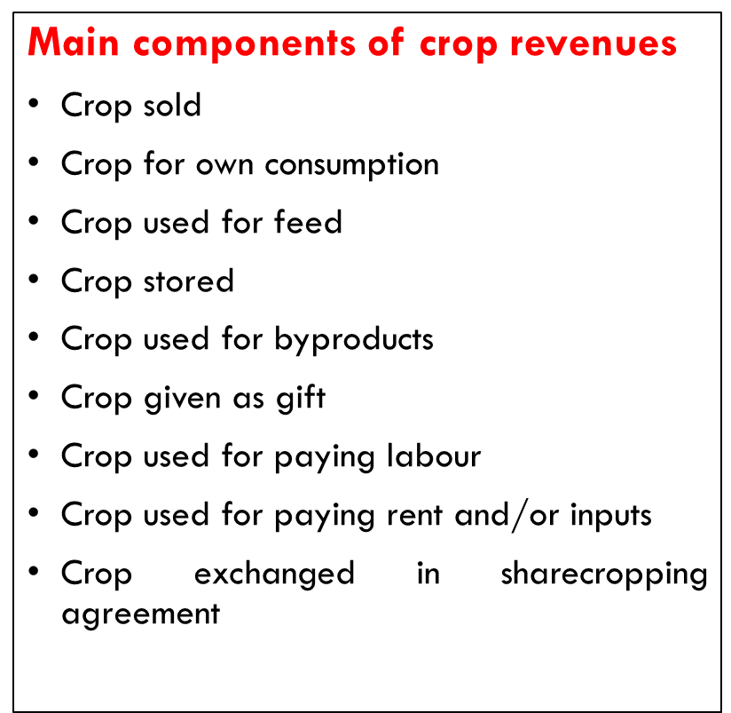
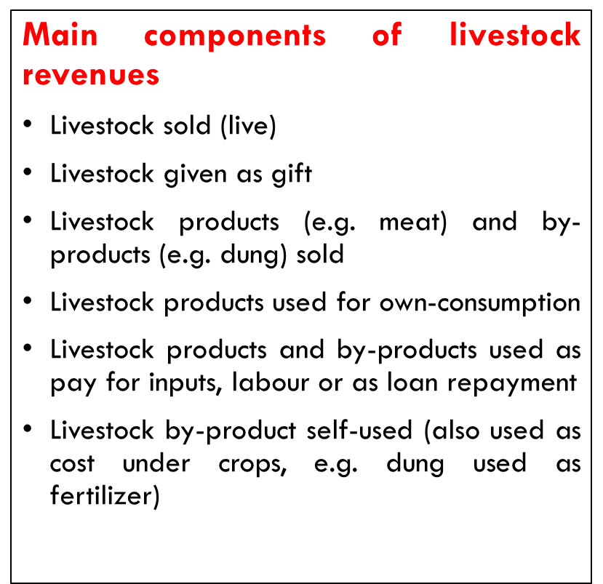
Production unit Number | Revenues from crops (LCU) | Revenues from Livestock (LCU) | Revenues from fisheries (LCU) | Revenues from forestry (LCU) | Sampling weights | Total revenues | Total Revenues (PPP USD)

PU1 | 2,912 | 2,261 | 321 |  | 1 | 5,494 | 2,504
PU2 | 746 | 442 |  |  | 1 | 1,188 | 541
PU3 | 3,292 | 2,566 |  | 523 | 1 | 6,381 | 2,908
PU4 | 3,885 | 2,257 |  |  | 1 | 6,142 | 2,799
PU5 | 2,586 | 3,715 |  | 265 | 1 | 6,566 | 2,993
PU6 | 813 | 1,279 |  |  | 1 | 2,092 | 954
PU7 | 463 | 4,743 |  |  | 1 | 5,206 | 2,373
PU8 | 195 | 342 |  |  | 1 | 537 | 245
PU9 | 1,103 | 223 |  |  | 1 | 1,326 | 604
PU10 | 4,599 | 3,453 |  |  | 1 | 8,052 | 3,670
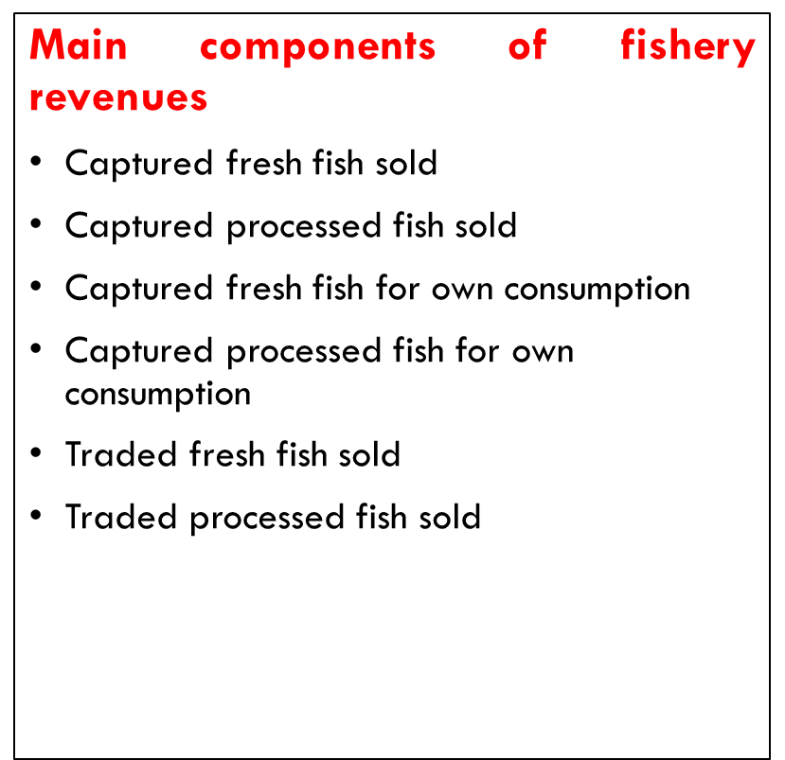
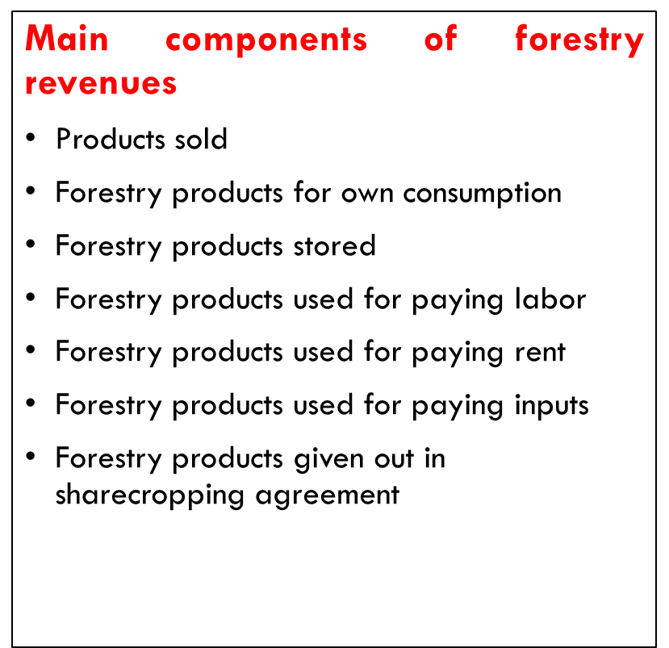
PU11 | 1,010 | 2,417 |  |  | 1 | 3,427 | 1,562
PU12 | 1,268 | 243 |  | 187 | 1 | 1,698 | 774
PU13 | 715 | 1,130 |  |  | 1 | 1,845 | 841
PU14 | 587 | 1,004 |  |  | 1 | 1,591 | 725
PU15 | 3,364 | 1,305 |  |  | 1 | 4,669 | 2,128
PU16 | 5,213 | 1,524 | 1,064 |  | 1 | 7,801 | 3,556
PU17 | 2,965 | 2,270 |  | 2,450 | 1 | 7,685 | 3,503
PU18 | 1,600 | 651 |  |  | 1 | 2,251 | 1,026
PU19 | 4,147 | 642 |  |  | 1 | 4,789 | 2,183
PU20 | 1,451 | 377 |  | 450 | 1 | 2,278 | 1,038
PU21 | 187 | 120 |  |  | 1 | 307 | 140
PU22 | 661 | 379 |  |  | 1 | 1,040 | 474
PU23 | 4,120 | 2,034 |  |  | 1 | 6,154 | 2,805
PU24 | 356 | 795 |  |  | 1 | 1,151 | 525
PU25 | 3,884 | 1,408 |  |  | 1 | 5,292 | 2,412
PU26 | 4,014 | 1,637 | 1,834 |  | 1 | 7,485 | 3,412
PU27 | 5,033 | 278 |  |  | 1 | 5,311 | 2,421
PU28 | 2,112 | 120 |  |  | 1 | 2,232 | 1,017
PU29 | 4,516 | 2,940 |  |  | 1 | 7,456 | 3,398
PU30 | 515 | 725 |  |  | 1 | 1,240 | 565
PU31 | 1,566 | 1,065 |  |  | 1 | 2,631 | 1,199
PU32 | 2,942 | 2,011 |  | 892 | 1 | 5,845 | 2,664
PU33 | 3,799 | 2,834 |  |  | 1 | 6,633 | 3,023
PU34 | 342 | 603 |  |  | 1 | 945 | 431
PU35 | 2,500 | 701 | 1,952 |  | 1 | 5,153 | 2,349
PU36 | 3,001 | 2,494 |  |  | 1 | 5,495 | 2,505
PU37 | 3,509 | 2,368 |  |  | 1 | 5,877 | 2,679
PU38 | 3,145 | 2,656 |  |  | 1 | 5,801 | 2,644
PU39 | 896 | 559 |  |  | 1 | 1,455 | 663
PU40 | 639 | 866 | 128 |  | 1 | 1,633 | 744
PU41 | 3,116 | 2,252 |  |  | 1 | 5,368 | 2,447
PU42 | 4,219 | 2,992 |  |  | 1 | 7,211 | 3,287
PU43 | 4,197 | 4,051 |  |  | 1 | 8,248 | 3,759
PU44 | 1,481 | 3,222 |  |  | 1 | 4,703 | 2,144
PU45 | 2,510 | 3,027 |  |  | 1 | 5,537 | 2,524
PU46 | 3,380 | 4,293 |  |  | 1 | 7,673 | 3,497
PU47 | 1,616 | 1,595 |  |  | 1 | 3,211 | 1,464
PU48 | 1,088 | 3,629 |  |  | 1 | 4,717 | 2,150
PU49 | 1,348 | 1,625 |  | 673 | 1 | 3,646 | 1,662
PU50 | 3,191 | 1,597 |  |  | 1 | 4,788 | 2,182

