Tab. 2
Please feel free to add rows or columns if needed
TABLE 2. Animal population and productivity | PRODUCTION SYSTEMS
Parameter | Please insert the production system | Please insert the production system | Source | Stock and flow diagram of a small ruminant farm during 1 year
Number of animals |  |  |  | Please fill this diagram inserting your data in the boxes.
Female kids/lamb
Replacement females
Females
Does/Ewes
kids/lamb
Females kids/lamb
kids/lamb sold
Yearling males
Bucks/Rams
Deaths
Deaths
Deaths
Deaths
Deaths
Deaths
Deaths
Male kids/lamb
Bucklings/Ewe lambs
Doelings/Ram lambs
Yearling females
Yearling males
Grown females
Grown males
Does/Ewes
Bucks/Rams
Please add other category if known
Rates (percentage)
Herd replacement rate
Fertility rate or lambing/kidding percentage
Death rate female calves
Death rate male calves
Death rate other animals
Live weights (kg)
Female kids/lamb
Male kids/lamb
Bucklings/Ewe lambs
Doelings/Ram lambs
Yearling females
Yearling males
Grown females
Grown males
Does/Ewes
Bucks/Rams
Please add other category if known
Products and co-products (kg)
Dairy products
Average daily milk production (kg day)
Milk fat content (%)
Milk protein content (%)
Milk products, such as cheese, yoghurt and milk powder
Clean fibre (wool, mohair or cashmere)
Other possible co-products of processing, such as fat, skins and renderable material
Co-products, such as whey
Meat products
Female weight at slaughtered
Male weight at slaughtered
Manure sold
Other parameters
Average age at first kidding/lambing (year)
Age of replacements at first mating (year)
Average weight gain per day (kg day)
Sales
Female kids/lamb
Male kids/lamb
Bucklings/Ewe lambs
Doelings/Ram lambs
Yearling females
Yearling males
Grown females
Grown males
Does/Ewes
Bucks/Rams
Please add the sold animal category
Notes: If possible, monthly averages and cohorts input data are the most desirable for calculations.

Tab. 7
TABLE 7. Calculating energy requirements of animals
A range of models are used internationally for estimating the energy requirements, either as net (NE) or metabolizable energy (ME) of small ruminants from population and productivity data.

The recommended order of preference is:
1. Region-specific models used in the country’s National Greenhouse Gas Inventory;
2. Other models that have been peer-reviewed and published that are applicable to the region or are country-specific;
3. IPCC (2006) Tier 2 method (see below for the equations);
4. IPCC default Tier-1 values (this should be seen as a last resort).

3. Calculation of NE following Tier 2 method IPCC (IPCC, 2006 Chapter 10.2.2)

Net energy for maintenance: (NEm ) is the net energy required for maintenance, which is the amount of energy
needed to keep the animal in equilibrium where body energy is neither gained nor lost (Jurgen, 1988).

Where:
NEm = net energy required by the animal for maintenance, MJ day-1
Cfi = a coefficient which varies for each animal category as shown in Table 10.4 (Coefficients for calculating NEm), MJ day-1 kg-1
Weight = live-weight of animal, kg

Net energy for activity: (NEa) is the net energy for activity, or the energy needed for animals to obtain their food,
water and shelter. It is based on its feeding situation rather than characteristics of the feed itself.

Where:
NEa = net energy for animal activity, MJ day-1
Ca = coefficient corresponding to animal’s feeding situation (Table 10.5), MJ day-1 kg-1
weight = live-weight of animal, kg

For Equations 10.5 , the coefficient Ca corresponds to a representative animal’s feeding situation as described earlier.
Values for Ca are shown in Table 10.5. If a mixture of these feeding situations occurs during the year, NEa must be weighted accordingly.
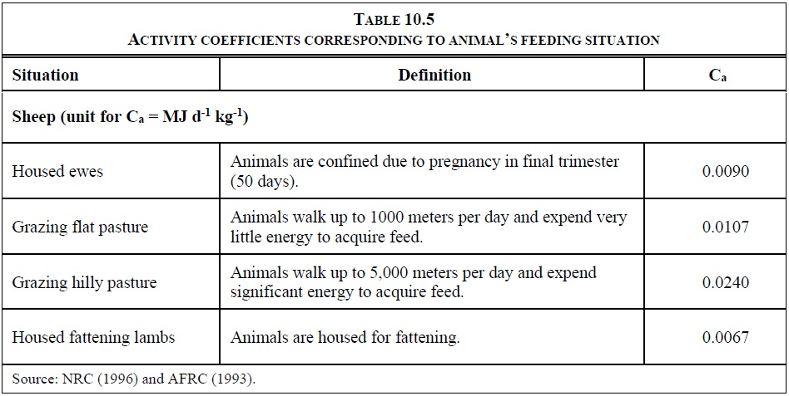

Net energy for growth: (NEg) is the net energy needed for growth (i.e., weight gain). Equation 10.7 is based on NRC (1996).

Where:
NEg = net energy needed for growth, MJ day-1
WGlamb = the weight gain (BWf – BWi), kg yr-1
BWi = the live bodyweight at weaning, kg
BWf = the live bodyweight at 1-year old or at slaughter (live-weight) if slaughtered prior to 1 year of age, kg
a, b = constants as described in Table 10.6.

Note that lambs will be weaned over a period of weeks as they supplement a milk diet with pasture feed or
supplied feed. The time of weaning should be taken as the time at which they are dependent on milk for half
their energy supply.
The NEg equation used for sheep includes two empirical constants (a and b) that vary by animal species/category (Table 10.6).
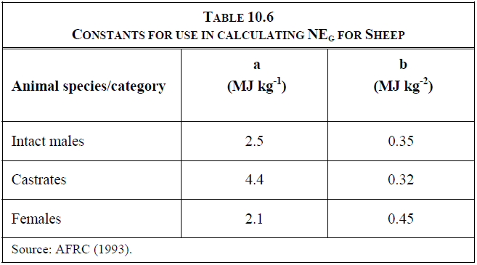

Net energy for lactation: (NEl ) is the net energy for lactation.
Two methods for estimating the net energy required for lactation (NEl) are presented for sheep. The first method
(Equation 10.9) is used when the amount of milk produced is known, and the second method (Equation 10.8) is
used when the amount of milk produced is not known. Generally, milk production is known for ewes kept for
commercial milk production, but it is not known for ewes that suckle their young to weaning. With a known
amount of milk production, the total annual milk production is divided by 365 days to estimate the average daily
milk production in kg/day (Equation 10.9). When milk production is not known, AFRC (1990) indicates that for
a single birth, the milk yield is about 5 times the weight gain of the lamb. For multiple births, the total annual
milk production can be estimated as five times the increase in combined weight gain of all lambs birthed by a
single ewe. The daily average milk production is estimated by dividing the resulting estimate by 365 days as
shown in Equation 10.10.

Where:
NEl = net energy for lactation, MJ day-1
Milk = amount of milk produced, kg of milk day-1
EVmilk = the net energy required to produce 1 kg of milk. A default value of 4.6 MJ/kg (AFRC, 1993) can
be used which corresponds to a milk fat content of 7% by weight

Where:
NEl = net energy for lactation, MJ day-1
WG wean = the weight gain of the lamb between birth and weaning, kg
EVmilk = the energy required to produce 1 kg of milk, MJ kg-1. A default value of 4.6 MJ kg-1 (AFRC,
1993) can be used.

Net energy for wool production: (NEwool) is the average daily net energy required for sheep to produce a year of
wool. The NEwool is calculated as follows:

Where:
NEwool = net energy required to produce wool, MJ day-1
EVwool = the energy value of each kg of wool produced (weighed after drying but before scouring), MJ kg-1.
A default value of 24 MJ kg-1 (AFRC, 1993) can be used for this estimate.
Productionwool = annual wool production per sheep, kg yr-1

Net energy for pregnancy: (NEp) is the energy required for pregnancy.
For sheep, the NEp requirement is estimated for the 147-day gestation period, although the percentage
varies with the number of lambs born (Table 10.7, Constant for Use in Calculating NEp in Equation 10.13).
Equation 10.13 shows how these estimates are applied.

Where:
NEp = net energy required for pregnancy, MJ day-1
Cpregnancy = pregnancy coefficient (see Table 10.7)
NEm = net energy required by the animal for maintenance (Equation 10.3), MJ day-1
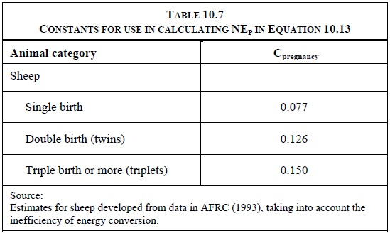

When using NEp to calculate GE for cattle and sheep, the NEp estimate must be weighted by the portion of the
mature females that actually go through gestation in a year. For example, if 80% of the mature females in the
animal category give birth in a year, then 80% of the NEp value would be used in the GE equation below.
To determine the proper coefficient for sheep, the portion of ewes that have single births, double births, and
triple births is needed to estimate an average value for Cpregnancy. If these data are not available, the coefficient
can be calculated as follows:
• If the number of lambs born in a year divided by the number of ewes that are pregnant in a year is less than
or equal to 1.0, then the coefficient for single births can be used.
• If the number of lambs born in a year divided by the number of ewes that are pregnant in a year exceeds 1.0
and is less than 2.0, calculate the coefficient as follows:
Cpregnancy = [(0.126 • Double birth fraction) + (0.077 • Single birth fraction)]
Where:
Double birth fraction = [(lambs born / pregnant ewes) – 1]
Single birth fraction = [1 – Double birth fraction]

Ratio of net energy available in diet for maintenance to digestible energy consumed (REM): For cattle, buffalo
and sheep, the ratio of net energy available in a diet for maintenance to digestible energy consumed (REM ) is
estimated using the following equation (Gibbs and Johnson, 1993):

Where:
REM = ratio of net energy available in a diet for maintenance to digestible energy consumed
DE% = digestible energy expressed as a percentage of gross energy

Ratio of net energy available for growth in a diet to digestible energy consumed (REG): For cattle, buffalo and
sheep the ratio of net energy available for growth (including wool growth) in a diet to digestible energy
consumed (REG ) is estimated using the following equation (Gibbs and Johnson, 1993):

Where:
REG = ratio of net energy available for growth in a diet to digestible energy consumed
DE% = digestible energy expressed as a percentage of gross energy

Gross energy, GE: As shown in Equation 10.16, GE requirement is derived based on the summed net energy
requirements and the energy availability characteristics of the feed(s). Equation 10.16 represents good practice
for calculating GE requirements for cattle and sheep using the results of the equations presented above.
In using Equation 10.16, only those terms relevant to each animal category are used

Where:
GE = gross energy, MJ day-1
NEm = net energy required by the animal for maintenance (Equation 10.3), MJ day-1
NEa = net energy for animal activity (Equations 10.4 and 10.5), MJ day-1
NEl = net energy for lactation (Equations 10.8, 10.9, and 10.10), MJ day-1
NEwork = net energy for work (Equation 10.11), MJ day-1
NEp = net energy required for pregnancy (Equation 10.13), MJ day-1
REM = ratio of net energy available in a diet for maintenance to digestible energy consumed (Equation 10.14)
NEg = net energy needed for growth (Equations 10.6 and 10.7), MJ day-1
NEwool = net energy required to produce a year of wool (Equation 10.12), MJ day-1
REG = ratio of net energy available for growth in a diet to digestible energy consumed (Equation 10.15)
DE%= digestible energy expressed as a percentage of gross energy

